Sheet1
 |  | Document No. | Issue No. | Issue Date |  | Review and Replace Date |  | Authorised By
 |  | GFF004MC | 2 | 28.09.2018 |  | 08.09.2020
 |  | Document Title | Mattar Paneer & Pilau Rice 400g
 |  |  |  |  |  |  |  | Magda Shah
Document amendments reason for change |  | Black tray replaced with Evolve tray | Page 1 of 1 |  | Previous Issue Date |  | 28.09.2018 | Uncontrolled copy unless signed original

CVMPR-R4TEB | BOOTHS |  | MATTAR PANEER & PILAU RICE 400G
STEP 1 |  |  |  |  | STEP 2
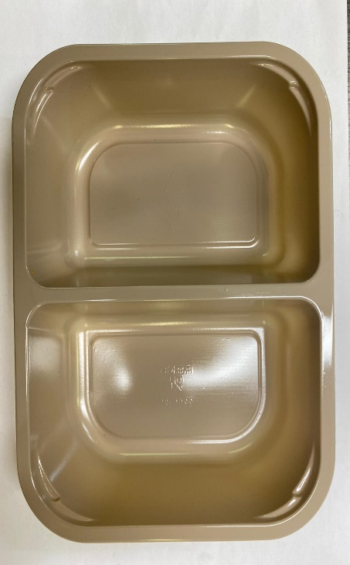 |  |  |  |  | 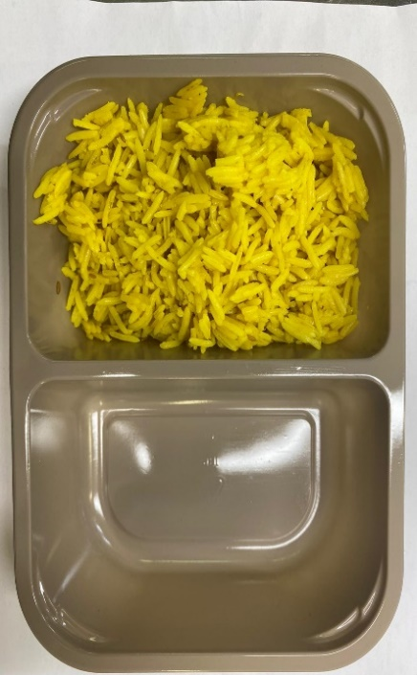

Tray: EVOLVE CPET 2200-2F (PKRHP001-10) |  |  |  |  | PILAU RICE (GFF143R): 160g
Line 1: Mylar 250LAF 250mm x 1000 (PKWRA001-08)
Line 1: K-Peel 75G + AF 25 250mm (PKKMP001-01)
Line 2: Mylar 25OLAF - 380mm wide (PKWRA001-02)
STEP 3 |  |  | STEP 4 |  |  |  | STEP 5
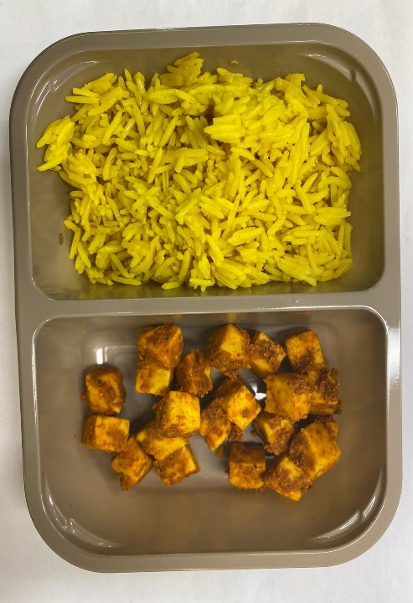 |  |  | 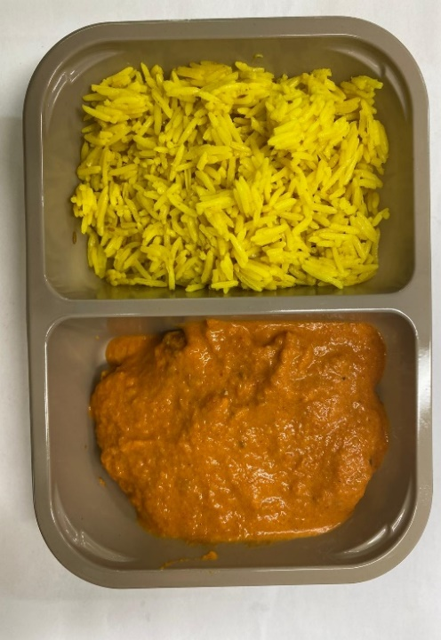 |  |  |  | 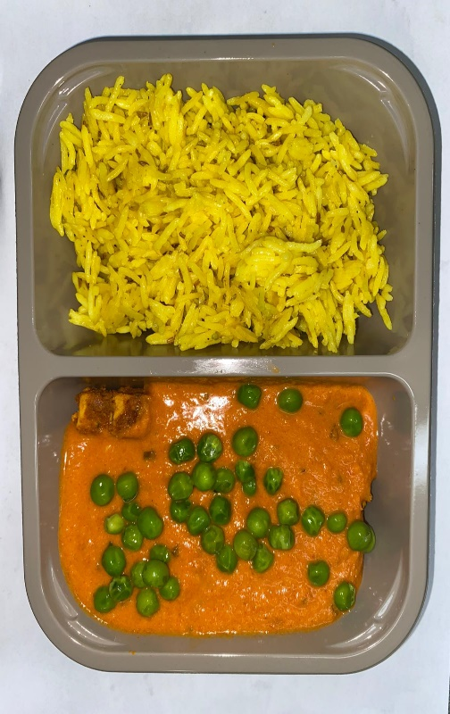

TANDOORI PANEER MARINATED(GFF206R): 70g |  |  | BUTTER SAUCE (GFF134R): 150g |  |  |  | STEAMED PEAS (GFF207R): 20g
 |  |  |  |  |  |  | TOTAL WEIGHT: 400G
ALLERGY ALERT: BARLEY, MILK

